OVERALL RATING
 |  | Dacia Jogger
 |  | 1.0TCe E2, LHD

70%
70%
69%
41%
39%
 |  |  ADULT OCCUPANT |  |  CHILD OCCUPANT |  | 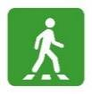 VULNERABLE ROAD USER |  |  SAFETY ASSIST
 |  | 26.6 |  | 34.1 |  | 22.2 |  | 6.4
 |  | Frontal Offset | 4.503 | Dynamic | 18.590 | Headforms | 14.101 | OSM | 0.600
 |  | Frontal FW | 7.626 | Vehicle Based | 5.000 | Upper Legform | 2.301 | SAS | 1.250
 |  | Side MDB | 5.208 | CRS Installation | 10.500 | Lower Legform | 5.820 | AEB Car-to-Car | 4.527
 |  | Side Pole | 5.525 |  |  | AEB Pedestrian | 0.000 | LSS | 0.000
 |  | Farside | 0.000 |  |  | AEB Cyclist | 0.000
 |  | Whiplash | 3.268
 |  | Rescue | 0.500
 | Total Score | 26.630 |  | 34.090 |  | 22.222 |  | 6.377
 | Max Points available | 38 |  | 49 |  | 54 |  | 16 |  | TOTAL
 | Normalised Score | 70 |  | 69 |  | 41 |  | 39 |  | 58
 | Weight | 0.4 |  | 0.2 |  | 0.2 |  | 0.2
 |  |  | 70% |  | 69% |  | 41% |  | 39%
 | RATING REQUIREMENTS 2021
 |  | 80 (3.77*) |  | 80 (5.11*) |  | 60 (10.178*) |  | 70 (4.823*)
 |  | 70 |  | 70 (0.21*) |  | 50 (4.778*) |  | 60 (3.223*)
 |  | 60 |  | 60 |  | 40 |  | 50 (1.623*)
 |  | 50 |  | 50 |  | 30 |  | 40 (0.023*)
 |  | 40 |  | 40 |  | 20 |  | 30
 |  | * Points in brackets indicate the number of additional points to be scored to reach that specific star level
 | ADULT OCCUPANT
 | 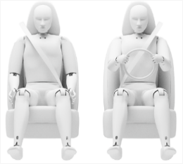                  |  | 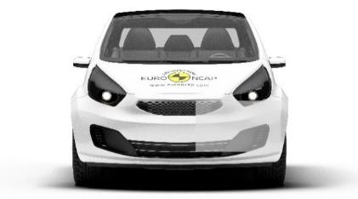 |  |  |  | 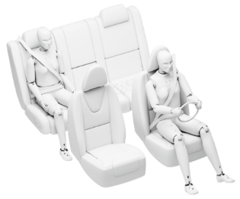              

 | FRONTAL OFFSET IMPACT |  |  |  |  |  | FRONTAL FW IMPACT


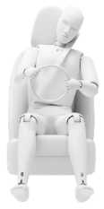



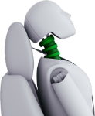



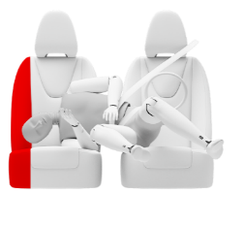



 | WHIPLASH |  | SIDE MDB IMPACT |  | SIDE POLE IMPACT |  | FAR SIDE IMPACT

 | CHILD OCCUPANT
 | 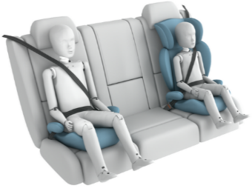       |  |  |  |  | 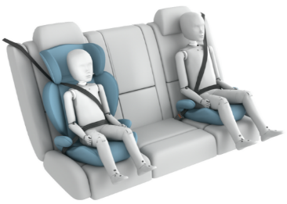      

 | FRONTAL IMPACT |  |  |  |  | SIDE IMPACT

 | COMMENTS
GENERAL
 | The passenger compartment of the Sandero Stepway remained stable in the frontal offset test. Dummy readings indicated protection that was at least adequate for the knees and femurs of the driver and passenger. However, structures in the dashboard presented a risk of injury to occupants of different sizes and to those sitting in different positions, and protection for this part of the body was downgraded to marginal. Chest protection was also rated as marginal for both front seat occupants, based on dummy readings of chest compression. The Sandero Stepway is quite small and light and analysis of the deformable barrier after the test revealed that it would be a benign crash opponent. In the full-width rigid barrier test, protection of the front seat driver and rear seat passenger was at least adequate for all critical parts of the body. In the side barrier test, representing an impact by another vehicle, chest compression indicated a marginal level of protection. In the side pole test, protection of all critical body areas was rated as good or adequate. An assessment of the excursion of an occupant in a far-side impact showed poor protection and the Sandero Stepway does not have a counter-measure, such as a centre airbag, for this accident type. Tests on the front seats and head restraints demonstrated good protection against whiplash injuries in the event of a rear-end collision. However, a geometric analysis of the rear seats indicated marginal whiplash protection.
 | In the frontal offset test, protection of the chest and neck of the 10 year dummy was rated as weak, based on dummy readings during the impact. For the 6 year dummy, protection of the neck was marginal while that of the head and chest was adequate and good respectively. The front passenger airbag can be disabled to allow a rearward-facing child restraint to be used in that seating position. Clear information is provided to the driver regarding the status of the airbag and the system was rewarded. [CRS INSTALLATION COMMENTS]
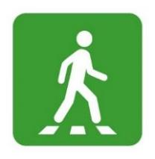 | The protection provided by the bonnet to the head of a struck pedestrian was predominantly good or adequate with poor results recorded at the base of the windscreen and on the stiff windscreen pillars. The bumper provided good or adequate protection to pedestrians' legs at all test locations. However, protection of the pelvis was poor over much of the width of the car. The autonomous emergency braking (AEB) system of the Sandero Stepway does not detect vulnerable road users such as pedestrians and cyclists.
 | A seatbelt reminder system is standard for the front and rear seats. A driver-set speed limiter is also standard but the Sandero Stepway provides no lane assistance. The AEB system performed well in tests of its response to other vehicles with accidents avoided or mitigated in many cases.

